Test Execution
ID | Test Case | Test Steps | Expected Result | Actual Result | Status | Evidence Screenshot
TS_AUTH_001_TC01 | Verify username validation. | Open the Shady Meadows admin login page. Enter valid username into login section. Enter valid password into login section. Click on login button. | Shady Meadows admin login page is displayed. Username is enterd. Password is entered. Able to login. | Valid username "admin" is entered. Valid password “password” is entered. Shady Meadows admin homepage is logged in and login announce isn’t displayed. Username validation has been completed successfully. | PASS
TS_AUTH_004_TC02 | Verify logout functionality. | Open the admin page. Click on logout button. | Admin page is displayed. Logout button is clicked. Able to logout. | Shady Meadows admin page screen is displayed. Shady Meadows admin page is logged out. Homepage screen is displayed. | PASS
TS_BM_002_TC03 | Verify create new booking | Open the room page. Select a room. Enter booking information. Create a reservation. | Room page is displayed. Room information and booking method are displayed. Enter booking information: - The check-in date has been selected. - Customer information is entered. Click the "Reserve now" button. | "Our Rooms" screen is displayed. “Double Room” information: [ max 2 guest/£150 per night/ features( TV, radio )/ Checkin( 3pm – 8pm )/ Check-out( 11am )/ Rules( no smoking, no parties or events, pets allowed ) ] have been entered. “Double Room” booking method: [ Booking dates( 27/08/2026 )/ Customer first name( Jim )/ Customer last name( Brown )/ Email( admin123@gmail.com )/ Phone(03731528868 ) ] have been entered. Reservation has been completed successfully. | PASS
TS_API_002_TC04 | Verify API request the expected header | Open PostMan tool. Select API endpoints. Enter valid request data. Send the request. Verify the HTTP status code. | Postman tool front-end is displayed and the API request has been selected. The request method has been selected. The URL has been entered. The key and value sections have been entered in the Header part. The body selector and code have been completed. “Send” button has been clicked. The testing is passed. | API Testing front-end is displayed and the API request "Create Token" has been selected. The request method “POST” has been selected. The URL: https://restful-booker.herokuapp.com/auth has been entered. The key “Content-Type” and the value “application/json” sections have been entered in the Header part. The body selector “raw/JSON” and the code { "username": "admin", "password": "password123" } have been entered. The request has been sent successfully. Test status code “200” and test response “OK” are displayed. | PASS | 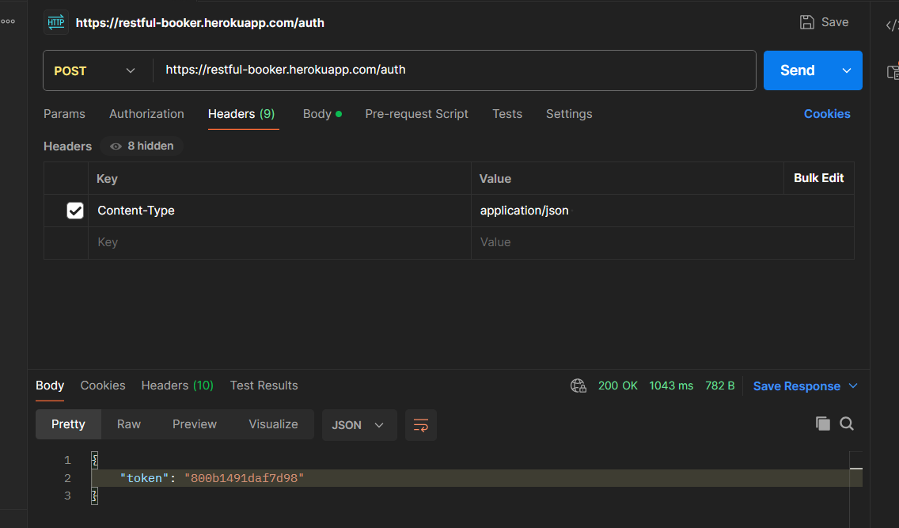
TS_HTTP_003_TC05 | Verify invalid request | Open PostMan tool. Select API endpoints. Enter invalid request datas. Send the request. Verify the HTTP status code and error response. | PostMan screen is displayed. API endpoint is selected. Invalid request data is entered. “Send” button has been clicked. The HTTP status code and error response are displayed . | Postman tool has been opened. API endpoint (GET /booking/:id ) has been selected. Invalid request data ( id = abc ) has been selected. URL https://restful-booker.herokuapp.com/booking/abc has been entered. Method GET has been selected. The key "Accept" and the value "application/json" sections have been entered in the Header part. The selector “none” has been set up in the Body part. The request has been sent successfully. The HTTP status code “404” and error response “Not Found” are displayed. | PASS | 